Production Capacity_Results
Option 1: Production Plan for all quarters combined

Assumptions:
1. All downtime is equally distributed in all quarters
2. Net lot equivalent rejected in a quarter 1 remains constant throughout all quarters
3. Loading and Unloading time for each process already counted in the given cycle time
4. In ideal case, plant can operate 24 hours a day for 365 days in a year
Product Line | Demand | Production Supply | Status
Ampoules | 195 | 427.20 | Meet Demand
Vials | 90 | 107.45 | Meet Demand
Syringes | 130 | 421.08 | Meet Demand

Option 4: Production Plan : Individual Quarters Wise
 | Q3-2020
Product Line | Demand | Production Supply | Status
Ampoules | 15 | 106.80 | Meet Demand
Vials | 5 | 27.07 | Meet Demand
Syringes | 10 | 105.07 | Meet Demand

 | Q4-2020
Product Line | Demand | Production Supply | Status
Ampoules | 55 | 106.48 | Meet Demand
Vials | 20 | 10.55 | Unmet Demand
Syringes | 35 | 121.58 | Meet Demand

 | Q1-2021
Product Line | Demand | Production Supply | Status
Ampoules | 60 | 106.80 | Meet Demand
Vials | 30 | 27.07 | Unmet Demand
Syringes | 40 | 105.07 | Meet Demand

 | Q2-2021
Product Line | Demand | Production Supply | Status
Ampoules | 65 | 106.80 | Meet Demand
Vials | 35 | 27.07 | Unmet Demand
Syringes | 45 | 105.07 | Meet Demand

Data Exhibit-4
4-step manufacturing process for all 3 products in Fabricadas
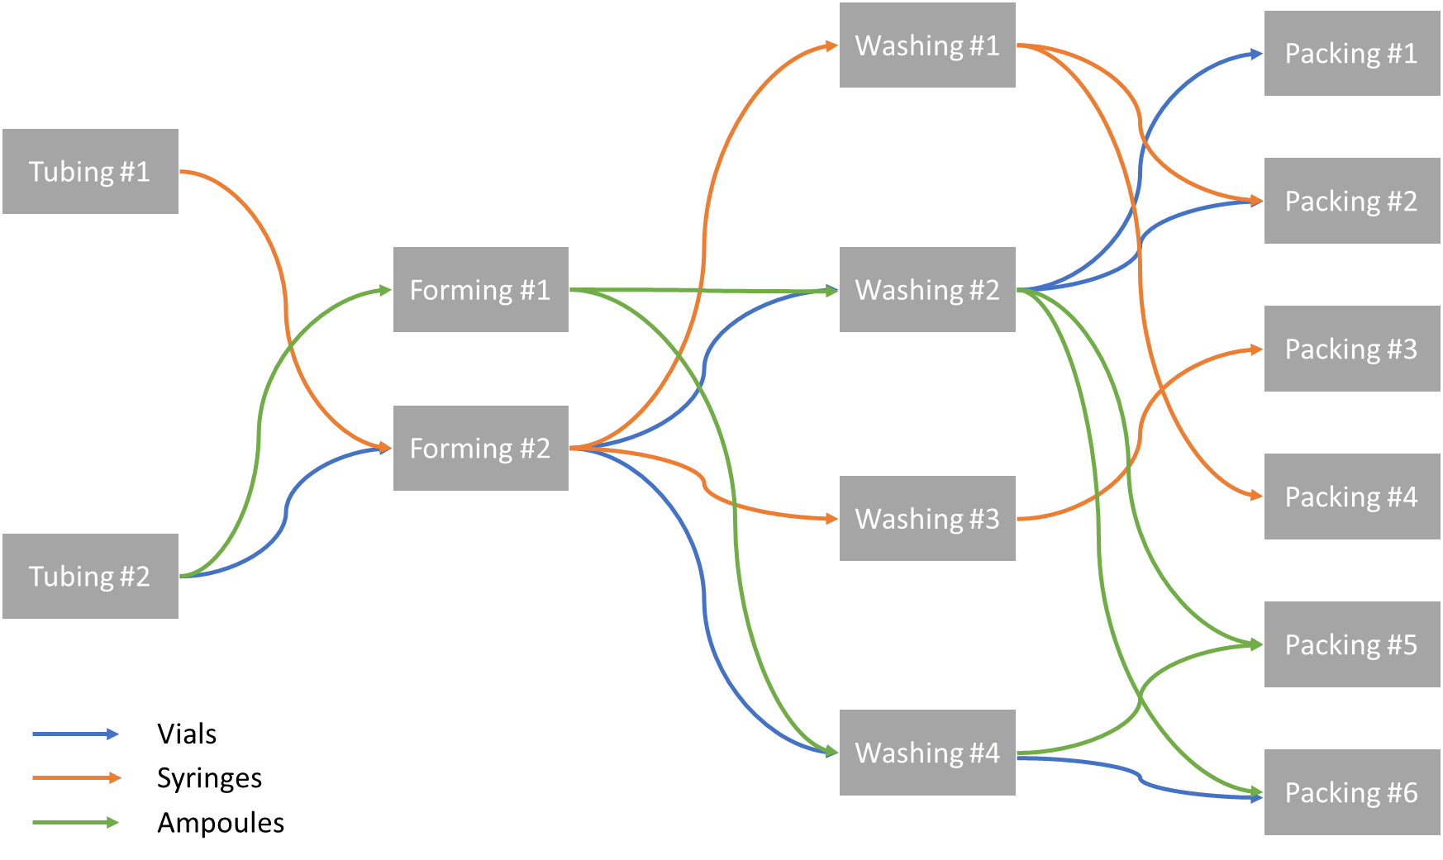

 |  |  |  | 1. Make table for All 3 product lines with binary matrix for which 1 is allowed. (Binary Matrix)- Assignment Matrix

 |  |  |  | For above- How to create sequence?- Process flow

 |  |  |  | 2. Use Table 2 for constraints on working hours

Fabricadas Utilization and Stoppages
Unit | Weekends and Holidays | Planned shutdowns | Unplanned shutdowns
Tubing #1 | 115 | 10 | 15
Tubing #2 | 115 | 10 | 20
Forming #1 | 115 | 10 | 15
Forming #2 | 115 | 10 | 25
Washing #1 | 115 | 10 | 15
Washing #2 | 115 | 10 | 20
Washing #3 | 115 | 10 | 20
Washing #4 | 115 | 10 | 15
Packing #1 | 115 | 10 | 20
Packing #2 | 115 | 10 | 20
Packing #3 | 115 | 10 | 25
Packing #4 | 115 | 10 | 15
Packing #5 | 115 | 10 | 20
Packing #6 | 115 | 10 | 20

